Example
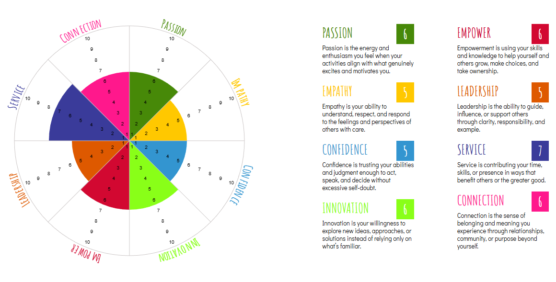
Core Values Elicitation |  |  |  |  | https://globalnlptraining.com/simply/nlp-values-elicitation-guide-effectively-elicit-values/
Core values elicitation is the process of uncovering your fundamental beliefs and guiding principles that drive your behavior and decisions, often using coaching techniques, structured questions (like "When do I feel most alive?"), and exercises (like Value Elicitation Triangles) to reveal what truly matters for a more fulfilling, aligned life, moving beyond superficial goals to deep personal motivation. Step 1-1) Identify 30 values that resonate with you to start Round 1 Step 1-2) Filter Round 1 by the selected 30 values; narrow that list to 15 vaues Step 1-3) Filter Round 2 by the selected 15 values; narrow that list to 8 core values. Step 1-4) Prioritize your 8 core values |  |  |  |  |  | Step 2-1) Journal why each value is important to you. Step 2-2) Assign a rating from 1-10 to indicate how fully you are living each value now. Step 2-3) Journal why you chose the rating in Step 2-2 Step 2-4) Journal what you can do to live by the values that are most meaningful to you. Step 3-5) Use a wheel of life tool (https://resourcesof.life/) for a visual representation of your embodyment rating; copy and paste the image below Step 2
Step 1: Identify your top eight values. |  | 30 | 15 | 8 |  | Step 2: Embodyment
Category | Core Value | Round 1 (30) | Round 2 (15) | Round 3 (8) | Priority | Why is it important | Rating | How fully are you living these values now? | How could you live them more fully now?
Feelings | Passion | x | x | x | 1 | Passion keeps me engaged and willing to persevere. It’s what connects me emotionally to the game and to the people I serve. | 6 | I still love what I do, but lately I notice my daily tasks feel more like obligations than joyful expressions of passion. | I could create a small weekly ritual just for the joy of the game — a play session with no agenda, or a short reflection on why I started this path in the first place.
Feelings | Empathy | x | x | x | 2 | Empathy helps me understand others’ experience and respond in a way that actually meets people where they are. | 5 | mpathy helps me understand others’ experience and respond in a way that actually meets people where they are. | I could practice pausing before offering solutions, and instead ask one reflective question that focuses on what the other person felt.
Strength | Confidence | x | x | x | 3 | Confidence enables me to take risks and step into leadership when it matters. | 5 | I generally feel confident in what I know, but when it comes to big visibility moments (like public speaking or big launches), I pull back a little. | I could commit to one visibility action this month that’s slightly outside my comfort zone — and frame it as practice, not perfection.
Creativity | Innovation | x | x | x | 4 | Innovation keeps my work fresh and responsive to changing needs. It allows me to solve problems creatively | 6 | I brainstorm often but don’t always follow through on new ideas. Some ideas get stuck between concept and execution. | I could pick one promising idea, set a small next step, and schedule it into the calendar — turning creative energy into concrete progress.
Achievement | Empower | x | x | x | 5 | Empowerment turns learners into capable creators; it’s not just about giving answers but building capacity. | 6 | I encourage others, but sometimes I leap in with answers instead of inviting them to solve their own problems. | I could ask at least one open question per conversation — “What do you want to try first?” — to invite ownership and agency.
Achievement | Leadership | x | x | x | 6 | Leadership gives direction and inspires others to follow. It helps me create clarity and momentum for collective growth. | 5 | I lead programs and initiatives, but I don’t always articulate the “why” or cast vision clearly before jumping into tasks. | Before the next project kickoff, I could write a succinct vision statement and share it — ensuring everyone understands the purpose, not just the tasks.
Spirituality | Service | x | x | x | 7 | Service keeps my work rooted in contribution, not self-interest. It reminds me why I chose this path. | 7 | I see service in what I do, but at times I get pulled into busyness and forget to check if my actions align with service. | I Ncould set a weekly “impact check” — a brief reflection on whose day I helped or whose barrier got a bit smaller because of something I did.
Spirituality | Connection | x | x | x | 8 | Connection builds community — responding to people as human beings, not just tasks or roles. | 6 | I create opportunities for connection, but sometimes I stay at surface level rather than digging into deeper relational engagement. | I could schedule one intentional one-to-one conversation each week where I practice deeper listening and curiosity.

